Metrics and Plots
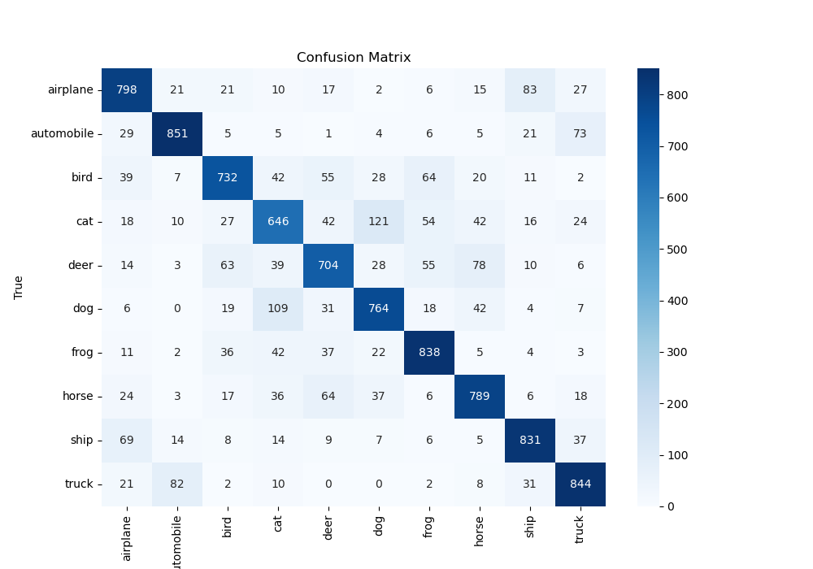
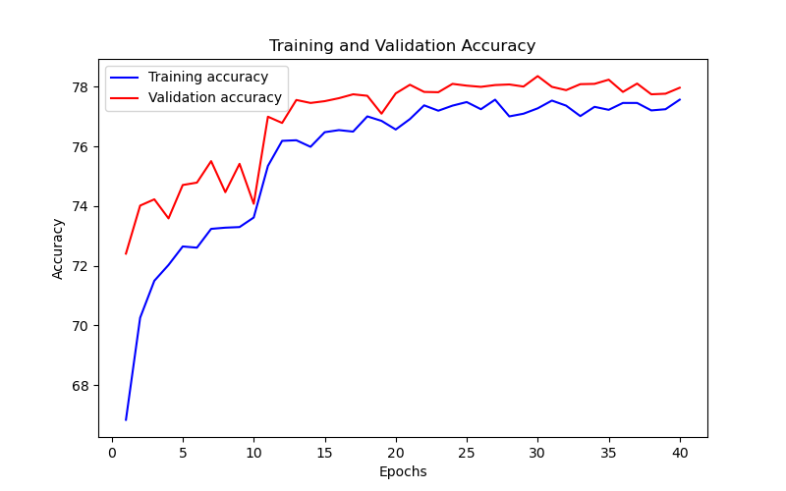
Epoch | Train Accuracy | Train Loss | Validation Accuracy | Validation Loss
1 | 66.84 | 0.953 | 72.41 | 4.31
2 | 70.26 | 0.938 | 74.02 | 0.938
3 | 71.5 | 0.894 | 74.23 | 0.906
4 | 72.03 | 0.854 | 73.59 | 1.019
5 | 72.65 | 0.875 | 74.71 | 4.204
6 | 72.61 | 0.841 | 74.79 | 6.438
7 | 73.24 | 0.883 | 75.51 | 1.156
8 | 73.28 | 0.86 | 74.47 | 0.97
9 | 73.3 | 0.844 | 75.42 | 0.9
10 | 73.62 | 0.843 | 74.08 | 1.266
11 | 75.35 | 0.734 | 77 | 2.704
12 | 76.19 | 0.725 | 76.79 | 4.135
13 | 76.21 | 0.705 | 77.56 | 2.147
14 | 75.99 | 0.694 | 77.46 | 0.764
15 | 76.48 | 0.689 | 77.52 | 2.193
16 | 76.55 | 0.696 | 77.62 | 0.707
17 | 76.5 | 0.689 | 77.75 | 3.624
18 | 77.01 | 0.674 | 77.7 | 0.703
19 | 76.86 | 0.669 | 77.1 | 6.089
20 | 76.57 | 0.681 | 77.78 | 0.697
21 | 76.92 | 0.663 | 78.07 | 7.577
22 | 77.38 | 0.681 | 77.83 | 2.074
23 | 77.2 | 0.674 | 77.82 | 0.671
24 | 77.37 | 0.668 | 78.1 | 5.207
25 | 77.49 | 0.677 | 78.04 | 0.681
26 | 77.25 | 0.672 | 78 | 0.672
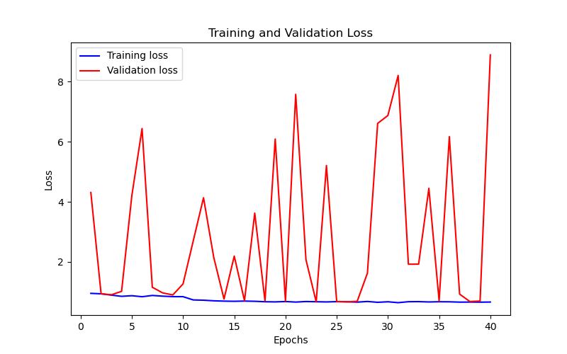
27 | 77.57 | 0.661 | 78.06 | 0.686
28 | 77.01 | 0.683 | 78.08 | 1.624
29 | 77.1 | 0.655 | 78.01 | 6.61
30 | 77.28 | 0.673 | 78.36 | 6.872
31 | 77.54 | 0.643 | 78 | 8.205
32 | 77.37 | 0.675 | 77.89 | 1.922
33 | 77.02 | 0.678 | 78.09 | 1.926
34 | 77.33 | 0.667 | 78.1 | 4.448
35 | 77.23 | 0.674 | 78.24 | 0.7
36 | 77.46 | 0.672 | 77.83 | 6.168
37 | 77.46 | 0.661 | 78.11 | 0.928
38 | 77.21 | 0.663 | 77.75 | 0.681
39 | 77.25 | 0.66 | 77.77 | 0.696
40 | 77.57 | 0.664 | 77.97 | 8.89

